BRM MAP
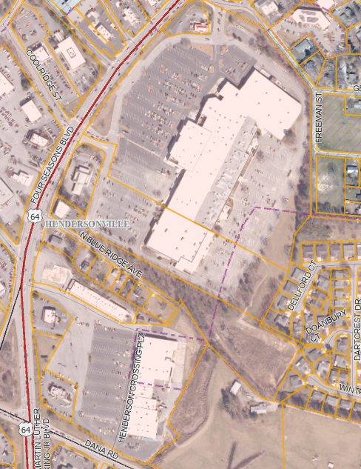
1
15

14
1
2
1
13
1
3
12

4
5
6
8
7
10
9
11

1

